Non-Qualifying Definitions
Definitions for Non-Qualifying Expenditures

Salt Lake County has deemed certain expenses as non-qualifying for purposes of determining minimum qualifying expenditures and ZAP fund allocation. It is not the intent that amounts for Non-Qualifying Operating Expenses will zero out your Total Operating Expense on Line 21. If you already eliminated some of your non-qualifying operating expenses through the process of listing them in Column B (Non-eligible Activity) or Column D (Activity Outside of SL County), you do not need to include them in this section as well.

Line 23. | Capital construction expenses/real property | Expenditures related to the acquisition, construction, or renovation of real property. This category also includes leasehold improvements. These cash outlays will not be listed as expenditures on the Statement of Activities in the audited Financial Statements; rather, they will be listed as additions to capital assets. None of the expenses in line 21 should include capital expenditures, if there are capital expenditures included in Line 21, please enter the amount in Line 22.
Line 24. | All Depreciation | A formula has been placed in this cell to add Lines 19 and 20 together from Column A.
Line 25. | Repairs and Maintenance to Real Property | Expenditures for repairs and maintenance on real property should be listed here. If these expenditures were capitalized (added to the value of the asset) nothing needs to be included on this line.
Line 26. | Payments into an Endowment Corpus | Funds included as expenditures in the Financial Statements and placed into an organization’s endowment during the applicable fiscal year. This does not include donations made by third parties and deposited into the endowment fund.
Line 27. | Fundraising expenses related to capital or endowment campaign | Salaries (or portions thereof), printing, postage, meals, supplies, travel, and materials related to fund-raising for an organization’s endowment or capital campaign. A capital campaign is a systematic course of fund-raising activities to acquire funds for one-time expenditures on real property within an organization. An endowment campaign is a systematic course of fund-raising activities to establish a permanent fund or source of income for an organization.
Line 28. | Grants/Fiscal Sponsorship | The distribution of funds to outside groups, institutions, organizations, artists or other units regardless of whether amounts are to be repaid.
Line 29. | Repayments of loans and/or interest thereon | Loans and interest payments made by the organization during the applicable fiscal year. Loan payments should not be expenses in a financial statement, payments reduce liabilities; however, if payments on loans show in your expense lines, include payments here.
Line 30. | All non-cash expenditures including in-kind, exchange transactions, trade of facilities, services and materials and other non-cash transactions | In-kind includes services and an unconditional transfer of non-cash in a voluntary non-reciprocal (nothing received in return) transfer by one entity to another. These expenditures should be disclosed in the financial statement audit and have been included in the Statement of Activities as revenue and expense.
Line 31. | Expenditures for political lobbying | • Direct political lobbying means seeking to influence specific legislation. • Grassroots lobbying means any attempt to influence any legislation through an effort to affect the opinions of the general public or any segment thereof on specific legislative matters. This is also considered indirect influence. • Public education means non-partisan education, analysis, study or research of an issue that is made available to the public, governmental bodies, officials, and employees; and does not attempt to influence legislation or advocate for the adoption or rejection of legislation. For purposes of ZAP, non-qualifying expenditures direct political lobbying includes: personnel time, money, and other resources spent on influencing specific legislation and an allocation of overhead based on the lobbying activity. If you list an amount on Line 31, submit an explanation of your organizations direct political lobbying expenditures. Also, articulate the specific legislation in which your organization has been involved. Include money spent on a lobbyist, ZAP preservation committee fees, tickets and food used by elected officials and their guests, and legislative evening expenditures for the elected official(s). This should also include staff time spent on advocacy, as well as, staff time spent actively engaging, elected officials for funding (federal, state, regional, local).
Line 32. | Salary Cap | Updated this year, salary expenditures, for the purpose of qualified expenses, are capped at $109,620 per individual for all functions, including bonuses, deferred compensation and any other compensation for services rendered. This amount does not include retirement, health, social security or Medicare benefits. Applicants should begin with total salaries reported in Column F on the qualifying expenditure spreadsheet for the applicable fiscal year. If your organization has individual salaries that exceed $109,620 the cap applies to you, regardless of whether some of the salary is allocated to non-eligible activity (Column B) or outside Salt Lake County (Column D), however, you can take credit for the amounts already excluded. If your organization has salaries that exceed $109,620, please provide a schedule of these salaries, preferably by position title. See the example below. If you place an amount on Line 31, you must include a worksheet (like the example below) that clearly indicates how you arrived at this number. The example below clearly indicated how and why $7,750 will be listed on Line 31 on the qualifying expenditures spreadsheet. Use the template similar to the example below (provided as a sheet in the template) or create your own.
Line 33. | Bad Debt Expense | Expenditures recognized for business receivables that are deemed uncollectible by the organization. This line should agree to Line 17, Column F.
Line 34. | Non-deductible tax penalties/Unrelated Business Income Tax | Tax penalties include federal and state employment tax penalties i.e. payroll tax penalties. The Tier I Advisory Board may allow up to $500 of tax penalties as a qualifying expenditure if accompanied by a satisfactory justification. While nonprofit organizations are granted tax-exempt status under the Internal Revenue Code; they may still be subject to taxation on unrelated business income (UBIT). The test under the Internal Revenue Code is whether the activity generating the income is substantially related to the organization’s exempt purpose. If the activity is not so related, the organization must pay income tax on the income generated by such activity. If your organization must file a UBIT return, operating expenses that are taken into account in calculating the unrelated business income, as well as any taxes and penalties you paid, should be excluded here if not already excluded in Column B or Column D.
Line 35. | Rent CAP | Rent payments in excess of 6% of the organization’s total eligible Salt Lake County qualifying expenditures (Column F) for Tier I + Zoological organizations (Tier II excluded). Rent expenditures for facilities necessary to achieve the primary purpose of the organization should be included, such as buildings, offices, storage lockers, practice facilities, etc. If you place an amount on Line 35, you must include a worksheet (like the example here) that clearly indicated how you arrived at this number. The example below clearly indicated how and why $85,433 will be listed on Line 35 on the qualifying expenditures spreadsheet. Use the template provided, or create your own.
Line 36. | Gift shop and concession expenditure CAP | Many organizations operate a gift shop or sell concessions. Under Generally Accepted Accounting Principles (GAAP) inventory is not treated as an expense when the inventory is acquired, but as part of “cost of goods sold” when sold. Until sold, inventory is actually an asset and is not an expense. Inventory and other related expenses incurred on resale items is considered an eligible ZAP expenditure, but only to the extent that the expense is recognized in the Financial Statements in the current fiscal year as “cost of goods sold” and is capped at 10% of total eligible Salt Lake County qualifying expenditures (Column F). DO NO INCLUDE ALL gift shop and concession expenses—use the formula to calculate. See example below.
Line 37. | Royalty and Commission Expenditure CAP (must include explanation with this application) | Royalty expenditures, for the purpose of qualifying expenses, are capped at 20% per gross of the run of the play, if the gross is greater than $150,000. Commission expenditures for playwrights over $30,000 for one play (whether written by a playwright or team of authors) will be excluded from qualifying expenditures. All theatre disciplines must provide a detail of commissions or royalities somewhere in this worksheet. The royality detail should contain the amount of royalities spent on each production and the total revenues for each production. These expenditures are for writing and commissioning of plays and do not include composers (music), choreographers, etc. This cap would impact Non-Qualifying Expenditures for Tier I & Zoological organizations. | 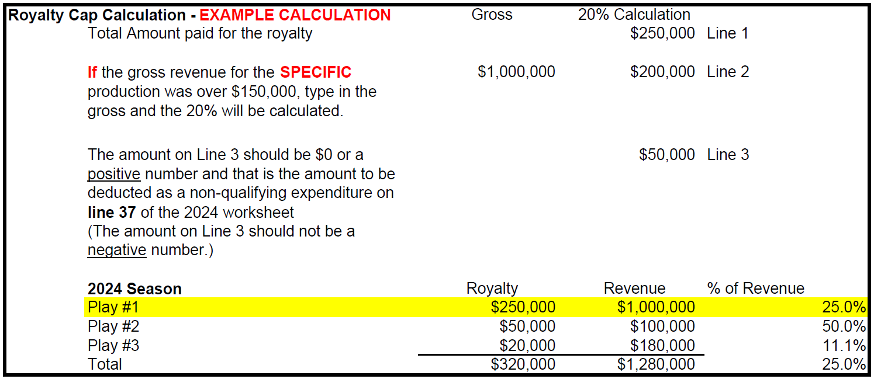
Line 38. | Related Party Expenditures | A related party transaction includes any sale, lease or other transaction with a board member, staff member, or his or her affiliates or family members. Related party expenditures over $5,000 must be disclosed in this application and will be considered non-qualifying. Based on the information presented by the applicant, the ZAP Tier I Advisory Board may allow related party expenditures. In general, related party transactions are disallowed by ZAP unless the organization certifies that it has adopted the Utah Nonprofit Association or similar Standard of Ethics and satisfy Part II (B) (2) of the Standards and include the documentation described below. If the organization has adopted the standards then it must monitor related party transactions and reject ones that are not fair to the organization. In the event of any sale, lease or other transaction with a board member, staff or affiliate, the costs and expenses incurred by the board member, staff or affiliate shall be fully disclosed. If a board member holds a staff position in the organization, the salary of that staff position is a qualifying expenditure. Moreover, if there are related party transactions (as noted in your most recent audited financials) and the organization wishes these expenditures to be allowed include the following documentation with this application (upload in the documents tab)*: 1. Explanation of the related party expenditure in detail and why this expenditure should be allowed 2. Include a copy of your organization’s Standard of Ethics/Conflict of Interest policies and how the related party expenditure was disclosed. 3. Include board minutes where this issue was addressed. *Adhering to the outlined criteria does not guarantee the related party transaction will allowed as a qualifying expenditure.
Line 39. | Additional Non-Qualifying Operating Expenses | This is a formula. This number will be placed in the Summary Worksheet.
Line 40. | Prior year ZAP award | While not an expenditure, ZAP funding allocated in previous years will also be deducted to determine the Total Qualifying Operating Expenditures. This should be the amount awarded to you, no matter when it was received. For Fiscal Worksheet 2025, it is the amount listed in the reconciliation letter sent in April 2026. If the ZAP program is unable to supply this information by May 31, 2026 the applicant may leave this line blank and the ZAP program will insert.

Administrative and Other Salary Detail
 | Worksheets 2025, 2024, 2023 ask you to provide additional information on your staffing and personnel costs. We ask for the number of people and amount paid in 2 categories: (1) Administrative Salaries includes marketing, development, finance, etc. (2) All other Salaries include artistic, programming, and others not included in the Administrative category.

